Bugs and Comments
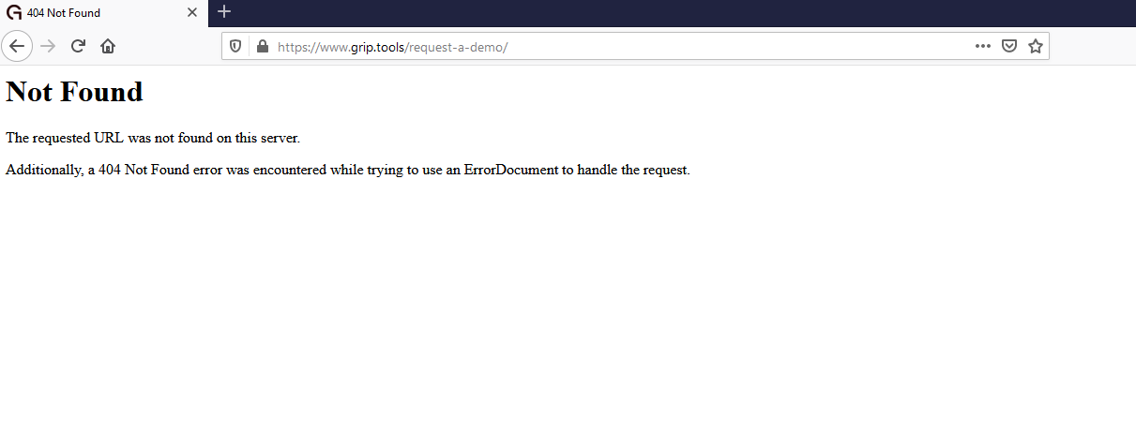
Category | Label | Value
Bug ID | ID number | #1
 | Summary | User is not able to Sign up to the application
 | Video | NA
 | Screenshot
Bug overview | Priority | Blocker
 | Steps to reproduce | 1. Open Site https://demo-v2.grip.tools/login 2. Click on Button "SignUp"
 | Expected result | User is redirected to the screen where he can insert data to Sign up
 | Actual result | 404 Error , User is redirected to an in correct URL as in the screen shot
Environment | Browser | Any (Chrome/Firefox/Edge)
 | Operating System | Windows 10

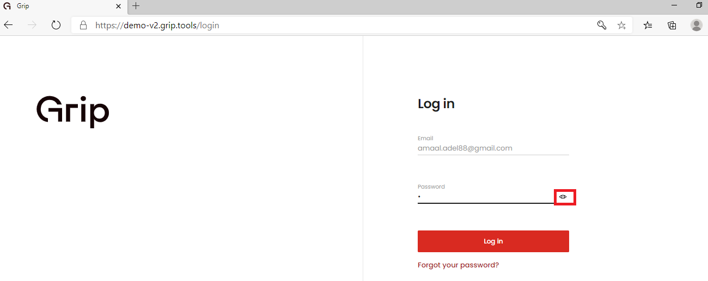

Category | Label | Value
Bug ID | ID number | #2
 | Summary | [Chromium ]Eye icon is displayed beside the password field
 | Video | NA
 | Screenshot
Bug overview | Priority | High
 | Steps to reproduce | 1. Open Site https://demo-v2.grip.tools/login 2. Insert Email "amaal.adel88@gmail.com" 3. Click Next 4. begin typing in the password field
 | Expected result | Eye icon should be removed as it is not secure
 | Actual result | Eye icon is displayed beside the password field in Chromium
Environment | Browser | Edge version 87(Chromium)
 | Operating System | Windows 10

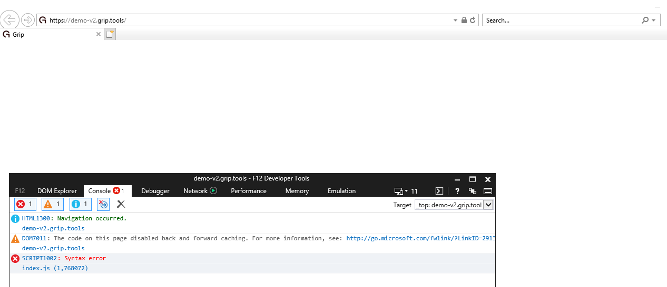

Category | Label | Value
Bug ID | ID number | #3
 | Summary | [IE11]Site is not loaded
 | Video | NA
 | Screenshot
Bug overview | Priority | Blocker
 | Steps to reproduce | 1. Open Site https://demo-v2.grip.tools/login
 | Expected result | Site should be loaded
 | Actual result | Site is not loaded and error is thrown in the console.. See Screenshot
Environment | Browser | IE11
 | Operating System | Windows 10

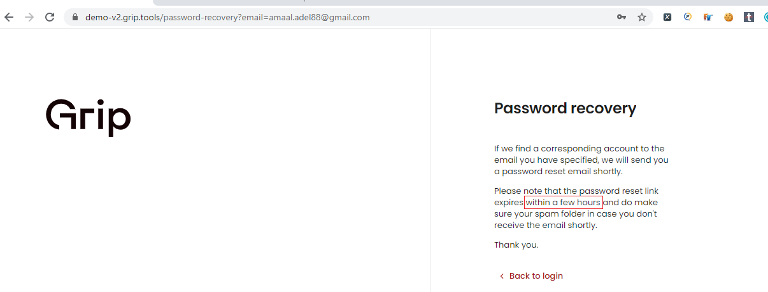

Category | Label | Value
Bug ID | ID number | #4
 | Summary | Forgot password Message is not descriptive
 | Video | NA
 | Screenshot
Bug overview | Priority | Medium
 | Steps to reproduce | 1. Open Site https://demo-v2.grip.tools/login 2. insert valid email address for example "amaal.adel88@gmail.com" and Click Next 3. Click on link "Forgot Password" 4. Make sure email is inserted 5. Click Send the link
 | Expected result | Forgot password Message is not descriptive, i.e User should know how many hours can the password reset link remain before it expires
 | Actual result | Forgot password Message is not descriptive.. See Screenshot
Environment | Browser | Any
 | Operating System | Windows 10

Category | Label | Value
Bug ID | ID number | #5
 | Summary | Email and password fields should be limited
 | Video | NA
 | Screenshot
Bug overview | Priority | Medium
 | Steps to reproduce | 1. Open Site https://demo-v2.grip.tools/login 2. Insert valid email address for example "amaal.adel88@gmail.com" and Click Next 3. Insert very long paragraph in the password field
 | Expected result | Password field should be limited
 | Actual result | Password field is not limit
Environment | Browser | Any
 | Operating System | Windows 10

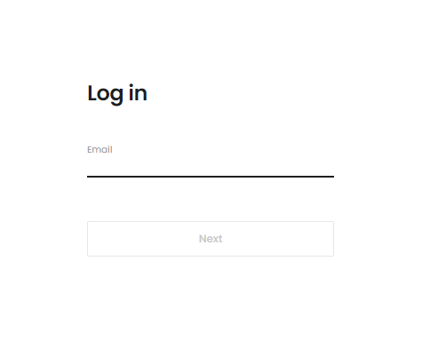

Category | Label | Value
Bug ID | ID number | #6
 | Summary | Email and password are not displayed on the same screen (i.ethere is an extra un necessary steps)
 | Video | NA
 | Screenshot
Bug overview | Priority | Medium
 | Steps to reproduce | 1. Open Site https://demo-v2.grip.tools/login 2. Insert valid email address for example "amaal.adel88@gmail.com" and Click Next 3. Insert Password 4. Click login
 | Expected result | Email and password are displayed on the same screen
 | Actual result | Email and password are not displayed on the same screen
Environment | Browser | Any
 | Operating System | Windows 10

Look and Feel Review

There is a lot of Spaces between Sign up button and the Next/Login Button
The page is very plain ,UI/Ux design should be revisited
Password Recovery Message should be more descriptive and concise
When I reach the forgot Password screen and I mistakenly insert an email that has not accountI have no choice but the repeat the steps again (to go to login , insert email , next and then click forget password)

